Full Info
Loc ID | County | Community | Functional Class | Rural Urban | On | Dir | Latitude | Longitude | Latest | Latest Date
19000001 | Davidson | NASHVILLE | Other Principal Arterial | R | SR011 | 2-WAY | 36.387809 | -86.757874 | 20456 | 1/1/22
19000001R | Davidson | - | Interstate | U | I0040 | RAMP | 36.129786005 | -86.899090007 | 3571 | 1/1/22
19000002 | Davidson | NASHVILLE | Other Principal Arterial | U | SR011 | 2-WAY | 36.358267 | -86.725259 | 23728 | 1/1/22
19000002R | Davidson | - | Interstate | U | I0040 | RAMP | 36.13255244 | -86.896315148 | 722 | 1/1/22
19000003R | Davidson | - | Interstate | U | I0040 | RAMP | 36.133223717 | -86.895715428 | 11315 | 1/1/22
19000004 | Davidson | NASHVILLE | Major Collector | U | 4927 | 2-WAY | 36.346429 | -86.725828 | 2904 | 1/1/22
19000004R | Davidson | - | Interstate | U | I0040 | RAMP | 36.13170031 | -86.898509603 | 3602 | 1/1/22
19000005R | Davidson | - | Interstate | U | I0040 | RAMP | 36.132369862 | -86.897873571 | 10208 | 1/1/22
19000006R | Davidson | - | Interstate | U | I0040 | RAMP | 36.15167318 | -86.859533235 | 2126 | 1/1/22
19000007R | Davidson | - | Interstate | U | I0040 | RAMP | 36.152782936 | -86.85339568 | 21293 | 1/1/22
19000008 | Davidson | NASHVILLE | Other Principal Arterial | R | SR065 | 2-WAY | 36.339774 | -86.87153 | 11854 | 1/1/22
19000008R | Davidson | - | Interstate | U | I0040 | RAMP | 36.15316006 | -86.855849472 | 13233 | 1/1/22
19000009R | Davidson | - | Interstate | U | I0040 | RAMP | 36.15223384 | -86.859858236 | 2693 | 1/1/22
19000010R | Davidson | - | Interstate | U | I0040 | RAMP | 36.153128 | -86.849883 | 3904 | 1/1/22
19000011 | Davidson | NASHVILLE | Minor Arterial | R | SR112 | 2-WAY | 36.321489 | -86.904144 | 10971 | 1/1/22
19000011R | Davidson | - | Interstate | U | I0040 | RAMP | 36.153643525 | -86.839614719 | 10062 | 1/1/22
19000012 | Davidson | NASHVILLE | Major Collector | R | 1013 | 2-WAY | 36.266827 | -86.880053 | 1396 | 1/1/22
19000012R | Davidson | - | Interstate | U | I0040 | RAMP | 36.154377295 | -86.83963118 | 9422 | 1/1/22
19000013 | Davidson | NASHVILLE | Major Collector | R | 4920 | 2-WAY | 36.288161 | -86.892593 | 2165 | 1/1/22
19000013R | Davidson | - | Interstate | U | I0040 | RAMP | 36.154285 | -86.844121 | 3568 | 1/1/22
19000014 | Davidson | NASHVILLE | Major Collector | R | 1013 | 2-WAY | 36.283488 | -86.866968 | 1211 | 1/1/22
19000014R | Davidson | - | Interstate | U | I0040 | RAMP | 36.156158603 | -86.824807933 | 33611 | 1/1/22
19000015 | Davidson | NASHVILLE | Minor Arterial | R | SR112 | 2-WAY | 36.276397 | -86.868738 | 10260 | 1/1/22
19000015R | Davidson | - | Interstate | U | I0440 | RAMP | 36.156360621 | -86.822465292 | 12892 | 1/1/22
19000016 | Davidson | NASHVILLE | Minor Arterial | R | SR045 | 2-WAY | 36.271378 | -86.821908 | 4863 | 1/1/22
19000016R | Davidson | - | Interstate | U | I0040 | RAMP | 36.156409672 | -86.823172907 | 15877 | 1/1/22
19000017 | Davidson | NASHVILLE | Major Collector | R | 4927 | 2-WAY | 36.284932 | -86.813806 | 2033 | 1/1/22
19000017R | Davidson | - | Interstate | U | I0440 | RAMP | 36.15671079 | -86.826022863 | 32680 | 1/1/22
19000018 | Davidson | NASHVILLE | Other Principal Arterial | U | SR045 | 2-WAY | 36.279299 | -86.784654 | 10712 | 1/1/22
19000018R | Davidson | - | Interstate | U | I0040 | RAMP | 36.164056132 | -86.818887369 | 7446 | 1/1/22
19000019 | Davidson | NASHVILLE | Other Principal Arterial | U | SR011 | 2-WAY | 36.274641 | -86.752865 | 19528 | 1/1/22
19000019R | Davidson | - | Interstate | U | I0040 | RAMP | 36.167654395 | -86.815026232 | 6850 | 1/1/22
19000020R | Davidson | - | Interstate | U | I0040 | RAMP | 36.167224387 | -86.816771811 | 6787 | 1/1/22
19000021 | Davidson | NASHVILLE | Other Principal Arterial | U | SR045 | 2-WAY | 36.267167 | -86.745274 | 18801 | 1/1/22
19000021R | Davidson | - | Interstate | U | I0040 | RAMP | 36.166217445 | -86.817831377 | 6234 | 1/1/22
19000022 | Davidson | Nashville |  |  | SR-6 | 2-WAY | 36.272045 | -86.710216 | 30838 | 1/1/04
19000022R | Davidson | - | Interstate | U | I0040 | RAMP | 36.172033098 | -86.801498814 | 25495 | 1/1/22
19000023 | Davidson | GOODLETTSVILLE | Minor Arterial | U | 1017 | 2-WAY | 36.303585 | -86.702133 | 26667 | 1/1/22
19000023R | Davidson | - | Interstate | U | I0040 | RAMP | 36.173240339 | -86.799702689 | 31509 | 1/1/22
19000024 | Davidson | NASHVILLE | Other Principal Arterial | U | SR006 | 2-WAY | 36.299444 | -86.696975 | 31639 | 1/1/22
19000024R | Davidson | - | Interstate | U | I0065 | RAMP | 36.17556391 | -86.801236194 | 27440 | 1/1/22
19000025 | Davidson | NASHVILLE | Major Collector | U | 4934 | 2-WAY | 36.269628 | -86.660081 | 1646 | 1/1/22
19000025R | Davidson | - | Interstate | U | I0040 | RAMP | 36.172713562 | -86.799905481 | 26750 | 1/1/22
19000026 | Davidson | NASHVILLE | Other Principal Arterial | U | SR045 | 2-WAY | 36.266865 | -86.669558 | 30262 | 1/1/22
19000026R | Davidson | - | Interstate | U | I0040 | RAMP | 36.16271354 | -86.793873532 | 9003 | 1/1/22
19000027R | Davidson | - | Interstate | U | I0040 | RAMP | 36.16016341 | -86.793061553 | 3036 | 1/1/22
19000028 | Davidson | NASHVILLE | Other Principal Arterial | U | SR006 | 2-WAY | 36.260717 | -86.712749 | 28597 | 1/1/22
19000028R | Davidson | - | Interstate | U | I0040 | RAMP | 36.15981 | -86.792072 | 3985 | 1/1/22
19000029 | Davidson | NASHVILLE | Major Collector | U | 4171 | 2-WAY | 36.255855 | -86.710123 | 14173 | 1/1/22
19000029R | Davidson | - | Interstate | U | I0040 | RAMP | 36.163403677 | -86.793323928 | 9861 | 1/1/22
19000030 | Davidson | NASHVILLE | Major Collector | U | 4933 | 2-WAY | 36.248097 | -86.721734 | 12626 | 1/1/22
19000030R | Davidson | - | Interstate | U | I0040 | RAMP | 36.157589022 | -86.790765847 | 10435 | 1/1/22
19000031 | Davidson | NASHVILLE | Other Principal Arterial | U | SR006 | 2-WAY | 36.241498 | -86.723329 | 32335 | 1/1/22
19000031R | Davidson | - | Interstate | U | I0040 | RAMP | 36.156282277 | -86.789809297 | 13803 | 1/1/22
19000032 | Davidson | NASHVILLE | Other Principal Arterial | U | SR065 | 2-WAY | 36.251037 | -86.828638 | 5681 | 1/1/22
19000032R | Davidson | - | Interstate | U | I0040 | RAMP | 36.153588215 | -86.7880295 | 9040 | 1/1/22
19000033R | Davidson | - | Interstate | U | I0040 | RAMP | 36.152640479 | -86.787620102 | 8899 | 1/1/22
19000034 | Davidson | NASHVILLE | Major Collector | R | 1013 | 2-WAY | 36.216726 | -86.917993 | 1733 | 1/1/22
19000034R | Davidson | - | Interstate | U | I0040 | RAMP | 36.152343798 | -86.786478624 | 7882 | 1/1/22
19000035 | Davidson | NASHVILLE | Minor Arterial | R | SR012 | 2-WAY | 36.207371 | -86.936705 | 14908 | 1/1/22
19000035R | Davidson | - | Interstate | U | I0040 | RAMP | 36.154506009 | -86.787962451 | 9237 | 1/1/22
19000036 | Davidson | NASHVILLE | Local | R | 0D228 | 2-WAY | 36.206031 | -86.92688 | 624 | 1/1/22
19000036R | Davidson | - | Interstate | U | I0040 | RAMP | 36.156852338 | -86.789715724 | 16224 | 1/1/22
19000037 | Davidson | NASHVILLE | Other Principal Arterial | U | SR012 | 2-WAY | 36.20373 | -86.851139 | 8089 | 1/1/22
19000037R | Davidson | - | Interstate | U | I0040 | RAMP | 36.157987 | -86.790662 | 8902 | 1/1/22
19000038 | Davidson | NASHVILLE | Other Principal Arterial | U | SR112 | 2-WAY | 36.206678 | -86.840062 | 15367 | 1/1/22
19000038R | Davidson | - | - | U | I0040 | RAMP | 36.14833778 | -86.777443306 | 33798 | 1/1/02
19000039 | Davidson | NASHVILLE | Minor Arterial | U | 3251 | 2-WAY | 36.201186 | -86.822385 | 18510 | 1/1/22
19000039R | Davidson | - | Interstate | U | I0040 | RAMP | 36.147642646 | -86.778426847 | 31129 | 1/1/22
19000040 | Davidson | NASHVILLE | Major Collector | U | 3267 | 2-WAY | 36.199768 | -86.785665 | 5238 | 1/1/22
19000040R | Davidson | - | Interstate | U | I0040 | RAMP | 36.147980562 | -86.777120456 | 30551 | 1/1/22
19000041 | Davidson | NASHVILLE | Local | U | 0D611 | 2-WAY | 36.200534 | -86.777205 | 6174 | 1/1/22
19000041R | Davidson | - | Interstate | U | I0065 | RAMP | 36.147184199 | -86.776732147 | 29187 | 1/1/22
19000042 | Davidson | NASHVILLE | Other Principal Arterial | U | SR065 | 2-WAY | 36.206106 | -86.77162 | 28348 | 1/1/22
19000042R | Davidson | - | Interstate | U | I0065 | RAMP | 36.147963756 | -86.777757183 | 27136 | 1/1/22
19000043 | Davidson | NASHVILLE | Other Principal Arterial | U | SR011 | 2-WAY | 36.201118 | -86.769632 | 15252 | 1/1/22
19000043R | Davidson | - | - | U | I0040 | RAMP | 36.148957364 | -86.77750818 | 34096 | 1/1/02
19000044 | Davidson | NASHVILLE | Major Collector | U | 3253 | 2-WAY | 36.204482 | -86.747642 | 19038 | 1/1/22
19000044R | Davidson | - | Interstate | U | I0040 | RAMP | 36.150079142 | -86.771317212 | 7938 | 1/1/22
19000045 | Davidson | NASHVILLE | Minor Arterial | U | 3252 | 2-WAY | 36.208396 | -86.734917 | 25110 | 1/1/22
19000045R | Davidson | - | Interstate | U | I0040 | RAMP | 36.152260049 | -86.766337278 | 4870 | 1/1/22
19000046 | Davidson | NASHVILLE | Minor Arterial | U | 3244 | 2-WAY | 36.167488 | -86.776154 | 7702 | 1/1/22
19000046R | Davidson | - | Interstate | U | I0040 | RAMP | 36.152313056 | -86.767486751 | 8699 | 1/1/22
19000047 | Davidson | NASHVILLE | Minor Arterial | U | 4937 | 2-WAY | 36.230757 | -86.609428 | 13291 | 1/1/22
19000047R | Davidson | - | Interstate | U | I0040 | RAMP | 36.150497794 | -86.771558957 | 7802 | 1/1/22
19000048 | Davidson | NASHVILLE | Other Principal Arterial | U | SR024 | 2-WAY | 36.216472 | -86.584253 | 28846 | 1/1/22
19000048R | Davidson | - | - | U | I0040 | RAMP | 36.154423105 | -86.760966245 | 53756 | 1/1/21
19000049 | Davidson | NASHVILLE | Other Principal Arterial | U | SR045 | 2-WAY | 36.211315 | -86.622961 | 23773 | 1/1/22
19000049R | Davidson | - | Interstate | U | I0040 | RAMP | 36.155393857 | -86.760665745 | 29613 | 1/1/22
19000050 | Davidson | NASHVILLE | Other Principal Arterial | U | SR045 | 2-WAY | 36.182724 | -86.609271 | 45480 | 1/1/22
19000050R | Davidson | - | Interstate | U | I0024 | RAMP | 36.155487283 | -86.760094847 | 50056 | 1/1/22
19000051 | Davidson | NASHVILLE | Minor Arterial | U | 4967 | 2-WAY | 36.185504 | -86.627017 | 12394 | 1/1/22
19000051R | Davidson | - | Interstate | U | I0040 | RAMP | 36.155165524 | -86.759122237 | 43215 | 1/1/22
19000052R | Davidson | - | - | U | I0040 | RAMP | 36.154817545 | -86.760465152 | 39774 | 1/1/21
19000053 | Davidson | NASHVILLE | Other Principal Arterial | U | SR011 | 2-WAY | 36.185207 | -86.773624 | 16226 | 1/1/22
19000053R | Davidson | - | Interstate | U | I0024 | RAMP | 36.155548592 | -86.761235138 | 33102 | 1/1/22
19000054 | Davidson | NASHVILLE | Other Principal Arterial | U | SR012 | 2-WAY | 36.179107 | -86.795293 | 17047 | 1/1/22
19000054R | Davidson | - | Interstate | U | I0040 | RAMP | 36.152482571 | -86.754820636 | 5373 | 1/1/22
19000055R | Davidson | - | Interstate | U | I0040 | RAMP | 36.152477695 | -86.753056593 | 3685 | 1/1/22
19000056 | Davidson | NASHVILLE | Other Principal Arterial | U | SR012 | 2-WAY | 36.190223 | -86.825381 | 35337 | 1/1/22
19000056R | Davidson | - | Interstate | U | I0040 | RAMP | 36.14786859 | -86.745436577 | 13062 | 1/1/22
19000057 | Davidson | NASHVILLE | Major Collector | U | 3257 | 2-WAY | 36.164521 | -86.85281 | 9007 | 1/1/22
19000057R | Davidson | - | Interstate | U | I0040 | RAMP | 36.148009337 | -86.744264302 | 11252 | 1/1/22
19000058 | Davidson | NASHVILLE | Other Principal Arterial | U | SR024 | 2-WAY | 36.150945 | -86.854508 | 24448 | 1/1/22
19000058R | Davidson | - | - | U | I0024 | RAMP | 36.14 | -86.72921 | 43416 | 1/1/22
19000059 | Davidson | NASHVILLE | Minor Arterial | U | SR155 | 2-WAY | 36.146794 | -86.857995 | 27700 | 1/1/22
19000059R | Davidson | - | Interstate | U | I0040 | RAMP | 36.13949451 | -86.72923841 | 47920 | 1/1/22
19000060 | Davidson | NASHVILLE | Major Collector | U | 4905 | 2-WAY | 36.140583 | -86.882573 | 8389 | 1/1/22
19000060R | Davidson | - | Interstate | U | I0024 | RAMP | 36.138751113 | -86.729366332 | 4686 | 1/1/22
19000061R | Davidson | - | Interstate | U | I0024 | RAMP | 36.135956864 | -86.72765936 | 3849 | 1/1/22
19000062 | Davidson | NASHVILLE | Other Principal Arterial | U | SR251 | 2-WAY | 36.113886 | -86.92298 | 16460 | 1/1/22
19000062R | Davidson | - | Interstate | U | I0040 | RAMP | 36.134911941 | -86.726050065 | 3007 | 1/1/22
19000063R | Davidson | - | Interstate | U | I0024 | RAMP | 36.138857031 | -86.726006025 | 38233 | 1/1/22
19000064 | Davidson | Nashville |  |  | SR-155 | 2-WAY | 36.125654 | -86.8483 | 32259 | 1/1/01
19000064R | Davidson | - | Interstate | U | I0024 | RAMP | 36.138257663 | -86.726821163 | 42816 | 1/1/22
19000065 | Davidson | NASHVILLE | Minor Arterial | U | 3250 | 2-WAY | 36.122862 | -86.845687 | 13788 | 1/1/22
19000065R | Davidson | - | Interstate | U | I0040 | RAMP | 36.138404821 | -86.725795607 | 2069 | 1/1/22
19000066 | Davidson | BELLE MEADE | Major Collector | U | 4881 | 2-WAY | 36.116333 | -86.854711 | 6563 | 1/1/22
19000066R | Davidson | - | - | U | I0024 | RAMP | 36.140776 | -86.727038 | 39535 | 1/1/22
19000067 | Davidson | NASHVILLE | Other Principal Arterial | U | SR001 | 2-WAY | 36.130052 | -86.83842 | 37798 | 1/1/22
19000067R | Davidson | - | Interstate | U | I0040 | RAMP | 36.140241585 | -86.725972895 | 34507 | 1/1/22
19000068 | Davidson | NASHVILLE | Major Collector | U | 3255 | 2-WAY | 36.13981 | -86.824022 | 10295 | 1/1/22
19000068R | Davidson | - | Interstate | U | I0040 | RAMP | 36.138910689 | -86.726597427 | 4248 | 1/1/22
19000069 | Davidson | NASHVILLE | Other Principal Arterial | U | SR001 | 2-WAY | 36.151517 | -86.79904 | 25504 | 1/1/22
19000069R | Davidson | - | Interstate | U | I0040 | RAMP | 36.143508522 | -86.700099924 | 2868 | 1/1/22
19000070 | Davidson | NASHVILLE | Other Principal Arterial | U | SR106 | 2-WAY | 36.151527 | -86.795928 | 11647 | 1/1/22
19000070R | Davidson | - | Interstate | U | I0040 | RAMP | 36.143042795 | -86.697753714 | 12892 | 1/1/22
19000071 | Davidson | NASHVILLE | Minor Arterial | U | 5343 | 2-WAY | 36.155386 | -86.784441 | 8345 | 1/1/22
19000071R | Davidson | - | Freeway & Expressway | U | SR155 | RAMP | 36.142192899 | -86.698316349 | 4463 | 1/1/22
19000072 | Davidson | NASHVILLE | Other Principal Arterial | U | SR001 | 2-WAY | 36.157625 | -86.785075 | 21847 | 1/1/22
19000072R | Davidson | - | Interstate | U | I0040 | RAMP | 36.144826581 | -86.694022006 | 16933 | 1/1/22
19000073 | Davidson | NASHVILLE | Other Principal Arterial | U | SR012 | 2-WAY | 36.169226 | -86.788782 | 14735 | 1/1/22
19000073R | Davidson | - | Freeway & Expressway | U | SR155 | RAMP | 36.144718744 | -86.694701938 | 1930 | 1/1/22
19000074 | Davidson | NASHVILLE | Minor Arterial | U | 3258 | 2-WAY | 36.176024 | -86.780437 | 28946 | 1/1/22
19000074R | Davidson | - | Freeway & Expressway | U | SR155 | RAMP | 36.144494971 | -86.698282734 | 14078 | 1/1/22
19000075 | Davidson | NASHVILLE | Other Principal Arterial | U | SR006 | 2-WAY | 36.168537 | -86.776514 | 24759 | 1/1/22
19000075R | Davidson | - | Interstate | U | I0040 | RAMP | 36.141128284 | -86.674093148 | 7966 | 1/1/22
19000076 | Davidson | Nashville |  |  | SHELBY ST | 2-WAY | 36.162039 | -86.772182 | 23053 | 1/1/98
19000076R | Davidson | - | Interstate | U | I0040 | RAMP | 36.142534084 | -86.675081003 | 8396 | 1/1/22
19000077 | Davidson | NASHVILLE | Other Principal Arterial | U | SR024 | 2-WAY | 36.153422 | -86.748924 | 11109 | 1/1/22
19000077R | Davidson | - | Interstate | U | I0040 | RAMP | 36.141001507 | -86.667910858 | 7599 | 1/1/22
19000078 | Davidson | NASHVILLE | Minor Arterial | U | 3269 | 2-WAY | 36.150632 | -86.742938 | 14471 | 1/1/22
19000078R | Davidson | - | Interstate | U | I0040 | RAMP | 36.140544777 | -86.663369098 | 5250 | 1/1/22
19000079 | Davidson | NASHVILLE | Other Principal Arterial | U | SR024 | 2-WAY | 36.168898 | -86.667901 | 33718 | 1/1/22
19000079R | Davidson | - | Interstate | U | I0040 | RAMP | 36.140311546 | -86.662697109 | 8962 | 1/1/22
19000080 | Davidson | NASHVILLE | Other Principal Arterial | U | SR024 | 2-WAY | 36.173914 | -86.647599 | 34427 | 1/1/22
19000080R | Davidson | - | Interstate | U | I0040 | RAMP | 36.141785662 | -86.664996333 | 9000 | 1/1/22
19000081R | Davidson | - | Interstate | U | I0040 | RAMP | 36.141941688 | -86.667900033 | 11460 | 1/1/22
19000082 | Davidson | NASHVILLE | Minor Arterial | U | 3292 | 2-WAY | 36.162966 | -86.648473 | 12509 | 1/1/22
19000082R | Davidson | - | Interstate | U | I0040 | RAMP | 36.154062465 | -86.629836719 | 7095 | 1/1/22
19000083 | Davidson | NASHVILLE | Other Principal Arterial | U | SR255 | 2-WAY | 36.162911 | -86.663964 | 16296 | 1/1/22
19000083R | Davidson | - | Interstate | U | I0040 | RAMP | 36.156743912 | -86.625936796 | 8086 | 1/1/22
19000084R | Davidson | - | Interstate | U | I0040 | RAMP | 36.157525787 | -86.628667885 | 7333 | 1/1/22
19000085 | Davidson | NASHVILLE | Minor Arterial | U | 4167 | 2-WAY | 36.151506 | -86.674589 | 15779 | 1/1/22
19000085R | Davidson | - | Interstate | U | I0040 | RAMP | 36.154664424 | -86.6323377 | 6394 | 1/1/22
19000086 | Davidson | NASHVILLE | Minor Arterial | U | 4167 | 2-WAY | 36.145115 | -86.748703 | 4256 | 1/1/22
19000086R | Davidson | - | Interstate | U | I0040 | RAMP | 36.167558778 | -86.60767793 | 20103 | 1/1/22
19000087 | Davidson | NASHVILLE | Other Principal Arterial | U | SR001 | 2-WAY | 36.146776 | -86.756307 | 17297 | 1/1/22
19000087R | Davidson | - | Interstate | U | I0040 | RAMP | 36.169040782 | -86.608092947 | 18885 | 1/1/22
19000088 | Davidson | NASHVILLE | Other Principal Arterial | U | SR011 | 2-WAY | 36.138305 | -86.760854 | 6691 | 1/1/22
19000088R | Davidson | - | Interstate | U | I0040 | RAMP | 36.169633522 | -86.602850573 | 5539 | 1/1/22
19000089 | Davidson | NASHVILLE | Other Principal Arterial | U | SR011 | 1-WAY | 36.139883 | -86.763278 | 11244 | 1/1/22
19000089R | Davidson | - | Interstate | U | I0040 | RAMP | 36.169925327 | -86.599321853 | 7888 | 1/1/22
19000090 | Davidson | NASHVILLE | Other Principal Arterial | U | SR006 | 2-WAY | 36.129518 | -86.778174 | 22858 | 1/1/22
19000090R | Davidson | - | Interstate | U | I0040 | RAMP | 36.170757816 | -86.599610481 | 7918 | 1/1/22
19000091 | Davidson | NASHVILLE | Other Principal Arterial | U | SR011 | 2-WAY | 36.13266 | -86.757657 | 24341 | 1/1/22
19000091R | Davidson | - | Interstate | U | I0040 | RAMP | 36.1705229 | -86.602927669 | 6687 | 1/1/22
19000092 | Davidson | NASHVILLE | Major Collector | U | 4165 | 2-WAY | 36.137452 | -86.741072 | 9344 | 1/1/22
19000092R | Davidson | - | Interstate | U | I0065 | RAMP | 36.080129135 | -86.763748348 | 11660 | 1/1/22
19000093R | Davidson | - | Interstate | U | I0065 | RAMP | 36.083405242 | -86.762934724 | 11052 | 1/1/22
19000094R | Davidson | - | Interstate | U | I0065 | RAMP | 36.083585475 | -86.76437429 | 2953 | 1/1/22
19000095 | Davidson | NASHVILLE | Major Collector | U | 4946 | 2-WAY | 36.125936 | -86.712493 | 11795 | 1/1/22
19000095R | Davidson | - | Interstate | U | I0065 | RAMP | 36.081626742 | -86.764607211 | 11661 | 1/1/22
19000096 | Davidson | NASHVILLE | Local | U | 0B052 | 2-WAY | 36.138155 | -86.634717 | 1050 | 1/1/22
19000096R | Davidson | - | Interstate | U | I0065 | RAMP | 36.080781394 | -86.765091245 | 10844 | 1/1/22
19000097R | Davidson | - | Interstate | U | I0065 | RAMP | 36.100322602 | -86.763915353 | 5021 | 1/1/22
19000098R | Davidson | - | Interstate | U | I0065 | RAMP | 36.103169835 | -86.765347879 | 7527 | 1/1/22
19000099R | Davidson | - | Interstate | U | I0065 | RAMP | 36.102846989 | -86.766669967 | 7487 | 1/1/22
19000100 | Davidson | NASHVILLE | Other Principal Arterial | U | DONELSON PK. | 2-WAY | 36.113771 | -86.670522 | 34190 | 1/1/13
19000100R | Davidson | - | Interstate | U | I0065 | RAMP | 36.102223325 | -86.766032914 | 5049 | 1/1/22
19000101 | Davidson | NASHVILLE | Other Principal Arterial | U | SR001 | 2-WAY | 36.108186 | -86.677812 | 36871 | 1/1/22
19000101R | Davidson | - | Interstate | U | I0065 | RAMP | 36.115007644 | -86.771649249 | 16379 | 1/1/22
19000102 | Davidson | NASHVILLE | Minor Arterial | U | 4169 | 2-WAY | 36.098978 | -86.716343 | 6756 | 1/1/22
19000102R | Davidson | - | Interstate | U | I0440 | RAMP | 36.11785565 | -86.772892251 | 3878 | 1/1/22
19000103 | Davidson | NASHVILLE | Minor Arterial | U | 4169 | 2-WAY | 36.09919 | -86.734978 | 3466 | 1/1/22
19000103R | Davidson | - | Interstate | U | I0065 | RAMP | 36.117225649 | -86.775208256 | 3659 | 1/1/22
19000104 | Davidson | NASHVILLE | Other Principal Arterial | U | SR011 | 2-WAY | 36.108561 | -86.744018 | 32275 | 1/1/22
19000104R | Davidson | - | Interstate | U | I0440 | RAMP | 36.114097643 | -86.774829256 | 19859 | 1/1/22
19000105 | Davidson | NASHVILLE | Other Principal Arterial | U | SR155 | 2-WAY | 36.110827 | -86.743518 | 29419 | 1/1/22
19000105R | Davidson | - | Interstate | U | I0065 | RAMP | 36.13301494 | -86.774527038 | 10163 | 1/1/22
19000106 | Davidson | NASHVILLE | Other Principal Arterial | U | SR011 | 2-WAY | 36.112516 | -86.746061 | 27306 | 1/1/22
19000106R | Davidson | - | Interstate | U | I0065 | RAMP | 36.135243056 | -86.7750607 | 9244 | 1/1/22
19000107 | Davidson | NASHVILLE | Other Principal Arterial | U | SR155 | 2-WAY | 36.111181 | -86.74918 | 30188 | 1/1/22
19000107R | Davidson | - | Interstate | U | I0065 | RAMP | 36.135159174 | -86.776111275 | 10608 | 1/1/22
19000108R | Davidson | - | Interstate | U | I0065 | RAMP | 36.13326722 | -86.775652497 | 10434 | 1/1/22
19000109 | Davidson | NASHVILLE | Other Principal Arterial | U | SR155 | 2-WAY | 36.112227 | -86.769271 | 24036 | 1/1/22
19000109R | Davidson | - | Interstate | U | I0024 | RAMP | 36.164397328 | -86.762562887 | 12865 | 1/1/22
19000110 | Davidson | NASHVILLE | Other Principal Arterial | U | SR006 | 2-WAY | 36.111171 | -86.773318 | 26186 | 1/1/22
19000110R | Davidson | - | Interstate | U | I0024 | RAMP | 36.165906853 | -86.763138248 | 3440 | 1/1/22
19000111R | Davidson | - | Interstate | U | I0024 | RAMP | 36.167436558 | -86.764841437 | 2764 | 1/1/22
19000112 | Davidson | NASHVILLE | Minor Arterial | U | 3248 | 2-WAY | 36.117487 | -86.791431 | 5520 | 1/1/22
19000113 | Davidson | NASHVILLE | Other Principal Arterial | U | SR106 | 2-WAY | 36.124945 | -86.805859 | 31613 | 1/1/22
19000113R | Davidson | - | Interstate | U | I0024 | RAMP | 36.165311909 | -86.764644755 | 3168 | 1/1/22
19000114 | Davidson | NASHVILLE | Other Principal Arterial | U | SR106 | 2-WAY | 36.103982 | -86.815431 | 22520 | 1/1/22
19000114R | Davidson | - | Interstate | U | I0024 | RAMP | 36.164826021 | -86.764360586 | 10145 | 1/1/22
19000115 | Davidson | NASHVILLE | Minor Arterial | U | 1002 | 2-WAY | 36.091449 | -86.831456 | 12014 | 1/1/22
19000115R | Davidson | - | Interstate | U | I0024 | RAMP | 36.170317579 | -86.766107086 | 1543 | 1/1/22
19000116 | Davidson | NASHVILLE | Other Principal Arterial | U | SR001 | 2-WAY | 36.101124 | -86.870706 | 30893 | 1/1/22
19000116R | Davidson | - | Interstate | U | I0024 | RAMP | 36.172994093 | -86.768017177 | 4577 | 1/1/22
19000117 | Davidson | NASHVILLE | Other Principal Arterial | U | SR001 | 2-WAY | 36.097641 | -86.875021 | 19007 | 1/1/22
19000117R | Davidson | - | Interstate | U | I0024 | RAMP | 36.173068756 | -86.770182471 | 3601 | 1/1/22
19000118 | Davidson | NASHVILLE | Other Principal Arterial | U | SR100 | 2-WAY | 36.091053 | -86.878519 | 15078 | 1/1/22
19000118R | Davidson | - | Interstate | U | I0024 | RAMP | 36.169725014 | -86.767223561 | 13105 | 1/1/22
19000119 | Davidson | NASHVILLE | Other Principal Arterial | R | SR024 | 2-WAY | 36.096675 | -86.968613 | 4335 | 1/1/22
19000119R | Davidson | - | Interstate | U | I0024 | RAMP | 36.175631913 | -86.77123237 | 2255 | 1/1/22
19000120 | Davidson | NASHVILLE | Minor Arterial | R | SR001 | 2-WAY | 36.091629 | -86.985174 | 8614 | 1/1/22
19000120R | Davidson | - | Interstate | U | I0024 | RAMP | 36.177773036 | -86.772555706 | 4479 | 1/1/22
19000121 | Davidson | NASHVILLE | Minor Collector | R | 998 | 2-WAY | 36.086018 | -87.02531 | 5443 | 1/1/22
19000121R | Davidson | - | Interstate | U | I0024 | RAMP | 36.178214113 | -86.772793228 | 5592 | 1/1/22
19000122 | Davidson | NASHVILLE | Other Principal Arterial | R | SR001 | 2-WAY | 36.08478 | -86.971647 | 5868 | 1/1/22
19000122R | Davidson | - | Interstate | U | I0024 | RAMP | 36.180259249 | -86.774720594 | 2719 | 1/1/22
19000123R | Davidson | - | Interstate | U | I0024 | RAMP | 36.178015253 | -86.774033391 | 5559 | 1/1/22
19000124R | Davidson | - | Interstate | U | I0024 | RAMP | 36.17592016 | -86.772527343 | 7813 | 1/1/22
19000125 | Davidson | NASHVILLE | Minor Collector | U | 998 | 2-WAY | 36.042506 | -86.977873 | 5612 | 1/1/22
19000125R | Davidson | - | Interstate | U | I0024 | RAMP | 36.175521692 | -86.772348675 | 8531 | 1/1/22
19000126R | Davidson | - | Interstate | U | I0024 | RAMP | 36.191565662 | -86.775454164 | 43882 | 1/1/22
19000127 | Davidson | NASHVILLE | Other Principal Arterial | U | SR254 | 2-WAY | 36.050109 | -86.873327 | 16847 | 1/1/22
19000127R | Davidson | - | Interstate | U | I0024 | RAMP | 36.19144062 | -86.776990302 | 10230 | 1/1/22
19000128 | Davidson | FOREST HILLS | Other Principal Arterial | U | SR106 | 2-WAY | 36.052282 | -86.858665 | 11899 | 1/1/22
19000128R | Davidson | - | - | U | I0024 | RAMP | 36.192407781 | -86.776868862 | 34115 | 1/1/21
19000129 | Davidson | NASHVILLE | Other Principal Arterial | U | SR254 | 2-WAY | 36.045076 | -86.851857 | 17542 | 1/1/22
19000129R | Davidson | - | - | U | I0024 | RAMP | 36.192837771 | -86.777708329 | 35724 | 1/1/21
19000130 | Davidson | NASHVILLE | Other Principal Arterial | U | SR106 | 2-WAY | 36.045555 | -86.864207 | 15409 | 1/1/22
19000130R | Davidson | - | Interstate | U | I0065 | RAMP | 36.19179684 | -86.776216161 | 47799 | 1/1/22
19000131 | Davidson | NASHVILLE | Minor Arterial | U | 3248 | 2-WAY | 36.045729 | -86.815909 | 9250 | 1/1/22
19000131R | Davidson | - | Interstate | U | I0065 | RAMP | 36.190763305 | -86.777711768 | 8710 | 1/1/22
19000132 | Davidson | NASHVILLE | Other Principal Arterial | U | SR254 | 2-WAY | 36.037374 | -86.790442 | 37566 | 1/1/22
19000132R | Davidson | - | Interstate | U | I0065 | RAMP | 36.205009928 | -86.775330604 | 12070 | 1/1/22
19000133 | Davidson | OAK HILL | Other Principal Arterial | U | SR006 | 2-WAY | 36.045147 | -86.780569 | 12016 | 1/1/22
19000133R | Davidson | - | Interstate | U | I0065 | RAMP | 36.205273798 | -86.775871866 | 2653 | 1/1/22
19000135 | Davidson | OAK HILL | Other Principal Arterial | U | SR006 | 2-WAY | 36.08125 | -86.772569 | 14356 | 1/1/22
19000135R | Davidson | - | Interstate | U | I0065 | RAMP | 36.207810733 | -86.774965656 | 1996 | 1/1/22
19000136 | Davidson | NASHVILLE | Minor Arterial | U | 3289 | 2-WAY | 36.059392 | -86.741306 | 21779 | 1/1/22
19000136R | Davidson | - | Interstate | U | I0065 | RAMP | 36.208300436 | -86.776642259 | 4138 | 1/1/22
19000137 | Davidson | NASHVILLE | Other Principal Arterial | U | SR011 | 2-WAY | 36.05042 | -86.713903 | 34549 | 1/1/22
19000137R | Davidson | - | Interstate | U | I0065 | RAMP | 36.207305695 | -86.777408102 | 5376 | 1/1/22
19000138 | Davidson | NASHVILLE | Other Principal Arterial | U | SR254 | 2-WAY | 36.045672 | -86.709671 | 37876 | 1/1/22
19000139 | Davidson | NASHVILLE | Other Principal Arterial | U | SR011 | 2-WAY | 36.039043 | -86.7129 | 26377 | 1/1/22
19000139R | Davidson | - | Interstate | U | I0065 | RAMP | 36.205082709 | -86.777177646 | 9058 | 1/1/22
19000140R | Davidson | - | - | U | I0024 | RAMP | 36.225210677 | -86.773030897 | 46308 | 1/1/18
19000141R | Davidson | - | Interstate | U | I0065 | RAMP | 36.22517267 | -86.775410016 | 24450 | 1/1/22
19000142R | Davidson | - | Interstate | U | I0024 | RAMP | 36.225637866 | -86.77495924 | 2649 | 1/1/22
19000143R | Davidson | - | Interstate | U | I0065 | RAMP | 36.226863927 | -86.776389963 | 913 | 1/1/22
19000144R | Davidson | - | - | U | I0024 | RAMP | 36.225378875 | -86.774382936 | 48567 | 1/1/18
19000145 | Davidson | NASHVILLE | Minor Arterial | U | 4169 | 2-WAY | 36.054945 | -86.667355 | 2747 | 1/1/22
19000145R | Davidson | - | Interstate | U | I0024 | RAMP | 36.224993852 | -86.776425352 | 25023 | 1/1/22
19000146R | Davidson | - | Interstate | U | I0065 | RAMP | 36.236728886 | -86.760084208 | 7621 | 1/1/22
19000147R | Davidson | - | Interstate | U | I0065 | RAMP | 36.237510574 | -86.756418922 | 6380 | 1/1/22
19000148 | Davidson | NASHVILLE | Other Principal Arterial | U | SR001 | 2-WAY | 36.085902 | -86.648119 | 36169 | 1/1/22
19000148R | Davidson | - | Interstate | U | I0065 | RAMP | 36.239504328 | -86.752152779 | 7256 | 1/1/22
19000149R | Davidson | - | Interstate | U | I0065 | RAMP | 36.240149204 | -86.750445243 | 8140 | 1/1/22
19000150 | Davidson | GOODLETTSVILLE | Other Principal Arterial | U | SR174 | 2-WAY | 36.327521 | -86.699465 | 21396 | 1/1/22
19000150R | Davidson | - | Interstate | U | I0065 | RAMP | 36.241150503 | -86.746919666 | 25670 | 1/1/22
19000151 | Davidson | GOODLETTSVILLE | Local | U | 0A400 | 2-WAY | 36.327709 | -86.72626 | 1090 | 1/1/22
19000151R | Davidson | - | Interstate | U | I0065 | RAMP | 36.243364303 | -86.749893364 | 12814 | 1/1/22
19000152 | Davidson | NASHVILLE | Minor Arterial | U | 3252 | 2-WAY | 36.193085 | -86.744159 | 29527 | 1/1/22
19000152R | Davidson | - | Interstate | U | I0065 | RAMP | 36.242377474 | -86.753171715 | 3091 | 1/1/22
19000153 | Davidson | NASHVILLE | Minor Arterial | U | 3252 | 2-WAY | 36.173322 | -86.764053 | 23773 | 1/1/22
19000153R | Davidson | - | Interstate | U | I0065 | RAMP | 36.239517632 | -86.756602408 | 12866 | 1/1/22
19000154 | Davidson | NASHVILLE | Major Collector | U | 3266 | 2-WAY | 36.173596 | -86.774033 | 8461 | 1/1/22
19000154R | Davidson | - | Interstate | U | I0065 | RAMP | 36.262793 | -86.737202 | 12394 | 1/1/22
19000155 | Davidson | NASHVILLE | Local | U | 0C324 | 2-WAY | 36.164299 | -86.775668 | 7292 | 1/1/22
19000155R | Davidson | - | Interstate | U | I0065 | RAMP | 36.263459 | -86.737262 | 2875 | 1/1/22
19000156 | Davidson | NASHVILLE | Other Principal Arterial | U | SR024 | 2-WAY | 36.159011 | -86.772403 | 12821 | 1/1/22
19000156R | Davidson | - | Interstate | U | I0065 | RAMP | 36.267043197 | -86.73822701 | 6752 | 1/1/22
19000157 | Davidson | NASHVILLE | Other Principal Arterial | U | SR001 | 2-WAY | 36.152957 | -86.774592 | 15727 | 1/1/22
19000157R | Davidson | - | Interstate | U | I0065 | RAMP | 36.266517434 | -86.738013791 | 9254 | 1/1/22
19000158 | Davidson | NASHVILLE | Other Principal Arterial | U | 3247 | 2-WAY | 36.158632 | -86.775646 | 8427 | 1/1/22
19000159 | Davidson | Nashville |  |  | LAFAYETTE | 2-WAY | 36.153825 | -86.776964 | 17476 | 1/1/04
19000160 | Davidson | NASHVILLE | Other Principal Arterial | U | SR006 | 2-WAY | 36.151237 | -86.779187 | 17628 | 1/1/22
19000160R | Davidson | - | Interstate | U | I0065 | RAMP | 36.307287657 | -86.70461489 | 4908 | 1/1/22
19000161 | Davidson | NASHVILLE | Other Principal Arterial | U | SR001 | 2-WAY | 36.156179 | -86.780349 | 15236 | 1/1/22
19000161R | Davidson | - | Interstate | U | I0065 | RAMP | 36.308773705 | -86.703338413 | 5385 | 1/1/22
19000162 | Davidson | NASHVILLE | Other Principal Arterial | U | SR024 | 2-WAY | 36.159627 | -86.780429 | 11226 | 1/1/22
19000162R | Davidson | - | Interstate | U | I0065 | RAMP | 36.310685676 | -86.703361529 | 4130 | 1/1/22
19000163 | Davidson | NASHVILLE | Other Principal Arterial | U | SR006 | 2-WAY | 36.161066 | -86.783482 | 11736 | 1/1/22
19000163R | Davidson | - | Interstate | U | I0065 | RAMP | 36.310076728 | -86.704444119 | 3906 | 1/1/22
19000164 | Davidson | NASHVILLE | Other Principal Arterial | U | SR001 | 2-WAY | 36.140723 | -86.81756 | 36052 | 1/1/22
...
 |  |  |  |  | On | Dir | Latitude | Longitude | Latest | Latest Date
 |  |  |  |  | SR006 | 2-WAY | 35.875562 | -86.882338 | 15569 | 1/1/22
 |  |  |  |  | I0840 | 2-WAY | 35.840353 | -86.7143 | 43241 | 1/1/22
 |  |  |  |  | I0840 | 2-WAY | 35.81914 | -86.756573 | 43631 | 1/1/22
 |  |  |  |  | I-840 | 2-WAY | 35.81463 | -86.804617 | 33406 | 1/1/18
 |  |  |  |  | I0840 | 2-WAY | 35.821337 | -86.848189 | 41384 | 1/1/22
 |  |  |  |  | I0065 | 2-WAY | 35.774051 | -86.863832 | 77047 | 1/1/22
 |  |  |  |  | 4749 | 2-WAY | 35.920592 | -86.8999 | 10127 | 1/1/22
 |  |  |  |  | I-840 | 2-WAY | 35.947649 | -87.196897 | 19572 | 1/1/22
 |  |  |  |  | 5523 | 2-WAY | 35.955962 | -86.803937 | 19041 | 1/1/22
 |  |  |  |  | 0B998 | 2-WAY | 35.956205 | -86.834742 | 11445 | 1/1/22
 | Longitude
36.387809 | -86.757874
36.129786005 | -86.899090007
36.358267 | -86.725259
36.13255244 | -86.896315148
36.133223717 | -86.895715428
36.346429 | -86.725828
36.13170031 | -86.898509603
36.132369862 | -86.897873571
36.15167318 | -86.859533235
36.152782936 | -86.85339568
36.339774 | -86.87153
36.15316006 | -86.855849472
36.15223384 | -86.859858236
36.153128 | -86.849883
36.321489 | -86.904144
36.153643525 | -86.839614719
36.266827 | -86.880053
36.154377295 | -86.83963118
36.288161 | -86.892593
36.154285 | -86.844121
36.283488 | -86.866968
36.156158603 | -86.824807933
36.276397 | -86.868738
36.156360621 | -86.822465292
36.271378 | -86.821908
36.156409672 | -86.823172907
36.284932 | -86.813806
36.15671079 | -86.826022863
36.279299 | -86.784654
36.164056132 | -86.818887369
36.274641 | -86.752865
36.167654395 | -86.815026232
36.167224387 | -86.816771811
36.267167 | -86.745274
36.166217445 | -86.817831377
36.272045 | -86.710216
36.172033098 | -86.801498814
36.303585 | -86.702133
36.173240339 | -86.799702689
36.299444 | -86.696975
36.17556391 | -86.801236194
36.269628 | -86.660081
36.172713562 | -86.799905481
36.266865 | -86.669558
36.16271354 | -86.793873532
36.16016341 | -86.793061553
36.260717 | -86.712749
36.15981 | -86.792072
36.255855 | -86.710123
36.163403677 | -86.793323928
...
 |  |  |  |  | 4746 | 2-WAY | 35.945673 | -86.819482 | 22335 | 1/1/22
 |  |  |  |  | CLOVERCROFT RD. | 2-WAY | 35.917244 | -86.791703 | 3620 | 1/1/15
 |  |  |  |  | 4749 | 2-WAY | 35.926755 | -86.898987 | 6896 | 1/1/22
 |  |  |  |  | I-840 | 2-WAY | 35.820751 | -86.87319 | 20602 | 1/1/18
 |  |  |  |  | I0840 | 2-WAY | 35.905089 | -87.151515 | 15221 | 1/1/22
 |  |  |  |  | I0840 | 2-WAY | 35.822085 | -86.942476 | 17958 | 1/1/22
 |  |  |  |  | HORN TAVERN RD. | 2-WAY | 35.993068 | -87.115416 | 523 | 1/1/12
 |  |  |  |  | 5529 | 2-WAY | 35.984203 | -87.108371 | 757 | 1/1/22
 |  |  |  |  | 5521 | 2-WAY | 35.975988 | -86.72574 | 7426 | 1/1/22
 |  |  |  |  | 5522 | 2-WAY | 35.961413 | -86.738352 | 3081 | 1/1/22
 |  |  |  |  | 5530 | 2-WAY | 35.96117 | -86.763849 | 4419 | 1/1/22
 |  |  |  |  | I0065 | 2-WAY | 35.924016 | -86.822258 | 131592 | 1/1/22
 |  |  |  |  | 6075 | 2-WAY | 35.975833 | -86.839202 | 8057 | 1/1/22
 |  |  |  |  | 5702 | 2-WAY | 35.97126 | -87.124886 | 3707 | 1/1/22
 |  |  |  |  | I0040 | 2-WAY | 36.023999 | -87.184755 | 35729 | 1/1/22
 |  |  |  |  | 5697 | 2-WAY | 35.95413 | -87.131036 | 1918 | 1/1/22
 |  |  |  |  | I0840 | 2-WAY | 35.846348 | -87.066517 | 16304 | 1/1/22
 |  |  |  |  | 6070 | 2-WAY | 35.935934 | -86.826373 | 12411 | 1/1/22
 |  |  |  |  | 6070 | 2-WAY | 35.932021 | -86.796206 | 10172 | 1/1/22
 |  |  |  |  | 6072 | 2-WAY | 35.913174 | -86.791546 | 1813 | 1/1/22
 |  |  |  |  | 6067 | 2-WAY | 35.769768 | -86.902143 | 4429 | 1/1/22
 |  |  |  |  | 6068 | 2-WAY | 35.757897 | -86.921348 | 6906 | 1/1/22
 |  |  |  |  | 6069 | 2-WAY | 35.780865 | -86.879032 | 10984 | 1/1/22
 |  |  |  |  | 6071 | 2-WAY | 35.782628 | -86.901709 | 9866 | 1/1/22
...

Loc ID DAVIDSON Full
 |  | Longitude | Loc ID | Latitude | Longitude
 |  | -86.789949 | 19000003R | 36.133223717 | -86.895715428 |  |  | All points of interest are in file DEC_22
 |  | -86.748177 | 19000023 | 36.303585 | -86.702133 |  | Points of Interest | Points 474 and 47R are not in file JAN_18
 |  | -86.780966 | 19000023R | 36.173240339 | -86.799702689
 |  | -86.709353 | 19000033R | 36.152640479 | -86.787620102
 |  | -86.917089 | 19000474 | 36.118686 | -86.809472
 |  | -86.707037 | 19000474R | 36.170308 | -86.869698
 |  | -86.751101
 |  | -86.708952
 |  | -86.715294
 |  | -86.760507
 |  | -86.778271 | Area of Stations in Davidson
 |  | -86.781405 | Davidson MAX latitude |  | 36.40009
 |  | -86.659759 | Davidson MIN latitude |  | 35.985183
 |  | -86.779976 | Davidson MAX longitude |  | -86.529415
 |  | -86.790629 | Davidson MIN longitude |  | -87.045171
 |  | -86.638216
 |  | -86.609029 | Proposed area for traffic study
 |  | -86.702223 | MAX latitude |  | 36.2179203
Davidson_All Stations
 | Longitude
36.116096 | -86.789949
36.149819 | -86.748177
36.148464 | -86.780966
36.302211 | -86.709353
36.33947 | -86.917089
36.123638 | -86.707037
36.201151 | -86.751101
36.097322 | -86.708952
36.329961 | -86.715294
36.154449 | -86.760507
36.065493 | -86.778271
36.160095 | -86.781405
36.092508 | -86.659759
36.131566 | -86.779976
36.09094 | -86.790629
36.003268 | -86.638216
36.050377 | -86.609029
36.008695 | -86.702223
36.14294 | -86.815674
36.16229 | -86.700692
36.07468 | -86.946023
36.221685 | -86.603872
36.127784 | -86.84417
36.183529 | -86.581714
36.137206 | -86.878517
36.174101 | -86.608728
36.17416 | -86.604628
36.171779 | -86.587972
36.171127 | -86.79067
36.166835 | -86.797095
36.161742 | -86.818628
36.159277 | -86.791345
36.135853 | -86.760256
36.131813 | -86.924912
36.047914 | -86.755841
36.044848 | -86.752843
36.1246 | -86.708015
36.16045 | -86.769615
36.088683 | -86.856833
36.078928 | -86.72134
36.062094 | -86.67652
36.062335 | -86.664222
36.176866 | -86.613939
36.231686 | -86.782273
36.042388 | -86.950701
36.126716 | -86.928121
36.101226 | -86.801244
36.007719 | -86.666958
36.334024 | -86.701255
36.326765 | -86.692831
...
 |  | -86.815674 | MIN latitude |  | 36.0701015
 |  | -86.700692 | MAX longitude |  | -86.913
 |  | -86.946023 | MIN longitude |  | -86.634656
 |  | -86.603872
 |  | -86.84417
 |  | -86.581714 | Loc ID | Latitude | Longitude
 |  | -86.878517 | 19000446 | 36.208693 |  | MAX LAT
19000629 | 36.174101 | -86.608728 | 19000353 | 36.087694 |  | MIN LAT
19000628 | 36.17416 | -86.604628 | 19000630 |  | -86.878517 | MAX LON
19000627 | 36.171779 | -86.587972 | 19000082 |  | -86.648473 | MIN LON
19000626 | 36.171127 | -86.79067
19000625 | 36.166835 | -86.797095
19000624 | 36.161742 | -86.818628
19000623 | 36.159277 | -86.791345
19000622 | 36.135853 | -86.760256
19000621 | 36.131813 | -86.924912
19000620 | 36.047914 | -86.755841
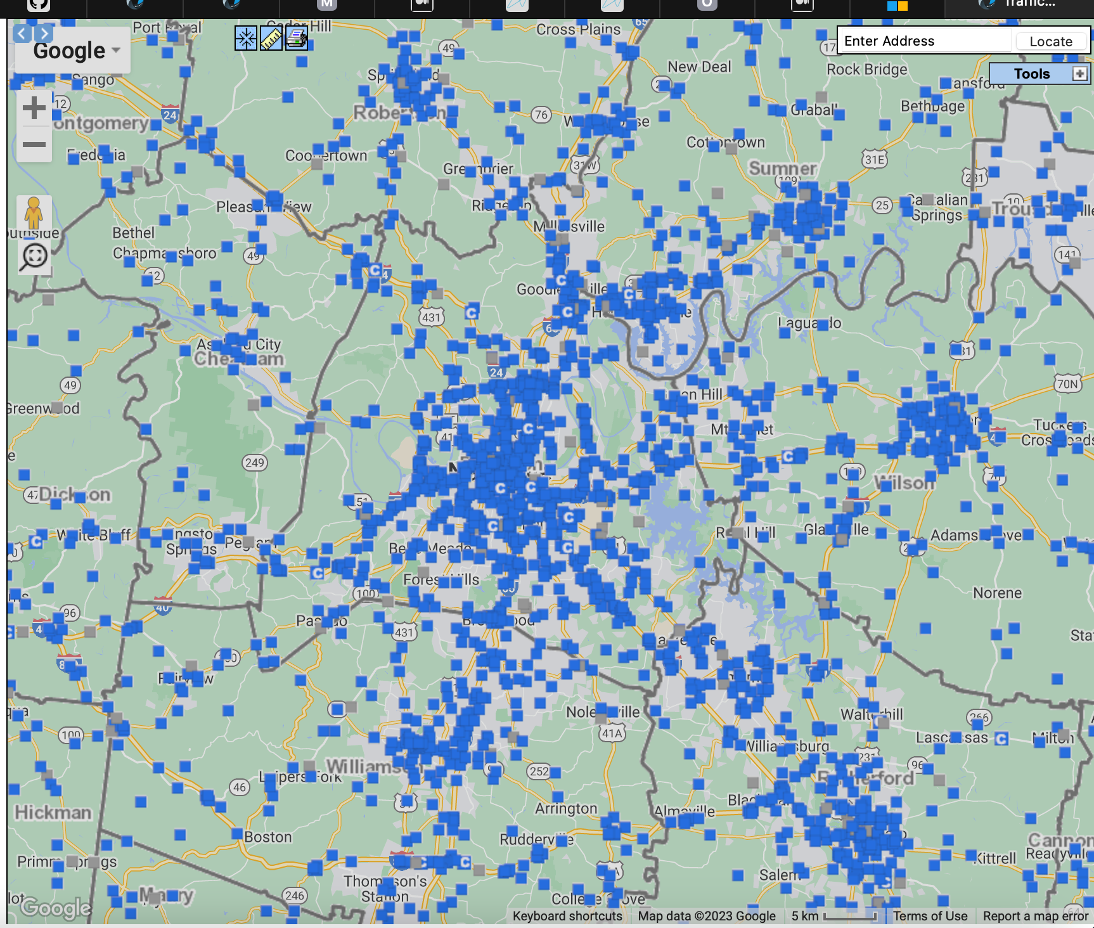
19000619 | 36.044848 | -86.752843
19000618 | 36.1246 | -86.708015
19000617 | 36.16045 | -86.769615
19000616 | 36.088683 | -86.856833
19000615 | 36.078928 | -86.72134
19000614 | 36.062094 | -86.67652
19000613 | 36.062335 | -86.664222
19000612 | 36.176866 | -86.613939
19000611 | 36.231686 | -86.782273
19000610 | 36.042388 | -86.950701
19000609 | 36.126716 | -86.928121
19000608 | 36.101226 | -86.801244
19000607 | 36.007719 | -86.666958
19000606 | 36.334024 | -86.701255
19000605 | 36.326765 | -86.692831
19000604 | 36.273245 | -86.705201
19000603 | 36.148974 | -86.75736
19000602 | 36.15149 | -86.788051
19000601 | 36.154989 | -86.78646
19000600 | 36.155282 | -86.787425
19000599 | 36.159386 | -86.775006
19000598 | 36.16261 | -86.776685
19000597 | 36.17123 | -86.786963
19000596 | 36.170773 | -86.788242
19000595 | 36.263107 | -86.790214
19000594 | 36.080489 | -86.928306
19000593 | 36.066247 | -86.842222
19000592 | 36.066672 | -86.82805
19000591 | 36.103208 | -86.808793
19000590 | 36.106538 | -86.820913
19000589 | 36.128662 | -86.826157
19000588 | 36.134033 | -86.840232
19000587 | 36.146873 | -86.873678
19000586 | 36.116249 | -86.887641
19000585 | 36.125723 | -86.90262
19000584 | 36.121313 | -86.920563
19000583 | 36.122074 | -86.926145
19000582 | 36.126129 | -86.932011
19000581 | 36.201305 | -86.977354
19000580 | 36.157227 | -86.871119
19000579 | 36.164619 | -86.866252
19000578 | 36.158006 | -86.854126
19000577 | 36.156056 | -86.834476
19000576 | 36.157427 | -86.830691
...
Loc ID | Latitude | Longitude | Loc ID | Latitude | Longitude
19000055R | 36.152477695 | -86.753056593
19000054R | 36.152482571 | -86.754820636
19000054 | 36.179107 | -86.795293
19000053R | 36.155548592 | -86.761235138
19000053 | 36.185207 | -86.773624
19000052R | 36.154817545 | -86.760465152
19000051R | 36.155165524 | -86.759122237
19000051 | 36.185504 | -86.627017
19000050R | 36.155487283 | -86.760094847
19000050 | 36.182724 | -86.609271
 | Longitude
36.116096 | -86.789949 | -86.757874
36.149819 | -86.748177
36.148464 | -86.780966
36.302211 | -86.709353
36.33947 | -86.917089
36.123638 | -86.707037
36.201151 | -86.751101
36.097322 | -86.708952
36.329961 | -86.715294
36.154449 | -86.760507
36.065493 | -86.778271
36.160095 | -86.781405
36.092508 | -86.659759
36.131566 | -86.779976
36.09094 | -86.790629
36.003268 | -86.638216
36.050377 | -86.609029
36.008695 | -86.702223
36.14294 | -86.815674
36.16229 | -86.700692
36.07468 | -86.946023
36.221685 | -86.603872
36.127784 | -86.84417
36.183529 | -86.581714
36.137206 | -86.878517
36.174101 | -86.608728
36.17416 | -86.604628
36.171779 | -86.587972
36.171127 | -86.79067
36.166835 | -86.797095
36.161742 | -86.818628
36.159277 | -86.791345
36.135853 | -86.760256
36.131813 | -86.924912
36.047914 | -86.755841
36.044848 | -86.752843
36.1246 | -86.708015
36.16045 | -86.769615
36.088683 | -86.856833
36.078928 | -86.72134
36.062094 | -86.67652
36.062335 | -86.664222
36.176866 | -86.613939
36.231686 | -86.782273
36.042388 | -86.950701
36.126716 | -86.928121
36.101226 | -86.801244
36.007719 | -86.666958
36.334024 | -86.701255
36.326765 | -86.692831
...
19000049R | 36.155393857 | -86.760665745
19000049 | 36.211315 | -86.622961
19000048R | 36.154423105 | -86.760966245
19000048 | 36.216472 | -86.584253
19000047R | 36.150497794 | -86.771558957
19000047 | 36.230757 | -86.609428
19000046R | 36.152313056 | -86.767486751
19000046 | 36.167488 | -86.776154
19000045R | 36.152260049 | -86.766337278
19000045 | 36.208396 | -86.734917
19000044R | 36.150079142 | -86.771317212
19000044 | 36.204482 | -86.747642
19000043R | 36.148957364 | -86.77750818
19000043 | 36.201118 | -86.769632
19000042R | 36.147963756 | -86.777757183
19000042 | 36.206106 | -86.77162
19000041R | 36.147184199 | -86.776732147
19000041 | 36.200534 | -86.777205
19000040R | 36.147980562 | -86.777120456
19000040 | 36.199768 | -86.785665
19000039R | 36.147642646 | -86.778426847
19000039 | 36.201186 | -86.822385
19000038R | 36.14833778 | -86.777443306
19000038 | 36.206678 | -86.840062
19000037R | 36.157987 | -86.790662
...

Loc ID DAVIDSON proposed area
 |  | Longitude | Loc ID | Latitude | Longitude
 |  | -86.634717 | 19000003R | 36.133223717 | -86.895715428 |  |  | All points of interest are in file DEC_22
 |  | -86.634762 | 19000023 | 36.303585 | -86.702133 |  | Points of Interest | Points 474 and 47R are not in file JAN_18
 |  | -86.637236 | 19000023R | 36.173240339 | -86.799702689
 |  | -86.638672 | 19000033R | 36.152640479 | -86.787620102
 |  | -86.638926 | 19000474 | 36.118686 | -86.809472
 |  | -86.639441 | 19000474R | 36.170308 | -86.869698
 |  | -86.641393
 |  | -86.641758
 |  | -86.645549
 |  | -86.647269
 |  | -86.647285795 | Area of Stations in Davidson
 |  | -86.647599 | Davidson MAX latitude |  | 36.40009
 |  | -86.647865 | Davidson MIN latitude |  | 35.985183
 |  | -86.648119 | Davidson MAX longitude |  | -86.529415
 |  | -86.648137 | Davidson MIN longitude |  | -87.045171
 |  | -86.648473
 |  | -86.649026 | Proposed area for traffic study
 |  | -86.649945 | MAX latitude |  | 36.2179203
Davidson_All Stations
 | Longitude
36.138155 | -86.634717
36.077068 | -86.634762
36.155759 | -86.637236
36.096519 | -86.638672
36.066859 | -86.638926
36.07102 | -86.639441
36.033014 | -86.641393
36.05762 | -86.641758
36.036371 | -86.645549
36.037824 | -86.647269
36.037343237 | -86.647285795
36.173914 | -86.647599
36.039558 | -86.647865
36.085902 | -86.648119
36.143851 | -86.648137
36.162966 | -86.648473
36.045039 | -86.649026
36.042881 | -86.649945
36.041125 | -86.650883
36.040375 | -86.651239
36.031655 | -86.654074
36.043559 | -86.65607
36.046699 | -86.656896
36.045102057 | -86.657594524
36.04443373 | -86.657815341
36.046132137 | -86.659288323
36.092508 | -86.659759
36.045649266 | -86.660226178
36.160635 | -86.660943
36.100541 | -86.662383
36.140311546 | -86.662697109
36.055924 | -86.663197
36.140544777 | -86.663369098
36.162911 | -86.663964
36.062335 | -86.664222
36.137926 | -86.664823
36.141785662 | -86.664996333
36.124026 | -86.665386
36.143378 | -86.666639
36.007719 | -86.666958
36.054945 | -86.667355
36.141941688 | -86.667900033
36.168898 | -86.667901
36.141001507 | -86.667910858
36.113771 | -86.670522
36.137407 | -86.671189
36.045236 | -86.672286
36.099675 | -86.672404
36.056609 | -86.672428
36.106977 | -86.672544
...
 |  | -86.650883 | MIN latitude |  | 36.0701015
 |  | -86.651239 | MAX longitude |  | -86.913
 |  | -86.654074 | MIN longitude |  | -86.634656
 |  | -86.65607
 |  | -86.656896
 |  | -86.657594524 | Loc ID | Latitude | Longitude
 |  | -86.657815341 | 19000446 | 36.208693 |  | MAX LAT
 |  | -86.659288323 | 19000353 | 36.087694 |  | MIN LAT
19000642 | 36.092508 | -86.659759 | 19000630 |  | -86.878517 | MAX LON
19000197R | 36.045649266 | -86.660226178 | 19000082 |  | -86.648473 | MIN LON
19000548 | 36.160635 | -86.660943
19000175 | 36.100541 | -86.662383
19000079R | 36.140311546 | -86.662697109
19000568 | 36.055924 | -86.663197
19000078R | 36.140544777 | -86.663369098
19000083 | 36.162911 | -86.663964
19000613 | 36.062335 | -86.664222
19000307 | 36.137926 | -86.664823
Davidson_proposed area
 | Longitude
36.138155 | -86.634717
36.077068 | -86.634762
36.155759 | -86.637236
36.096519 | -86.638672
36.066859 | -86.638926
36.07102 | -86.639441
36.033014 | -86.641393
36.05762 | -86.641758
36.036371 | -86.645549
36.037824 | -86.647269
36.037343237 | -86.647285795
36.173914 | -86.647599
36.039558 | -86.647865
36.085902 | -86.648119
36.143851 | -86.648137
36.162966 | -86.648473
36.045039 | -86.649026
36.042881 | -86.649945
36.041125 | -86.650883
36.040375 | -86.651239
36.031655 | -86.654074
36.043559 | -86.65607
36.046699 | -86.656896
36.045102057 | -86.657594524
36.04443373 | -86.657815341
36.046132137 | -86.659288323
36.092508 | -86.659759
36.045649266 | -86.660226178
36.160635 | -86.660943
36.100541 | -86.662383
36.140311546 | -86.662697109
36.055924 | -86.663197
36.140544777 | -86.663369098
36.162911 | -86.663964
36.062335 | -86.664222
36.137926 | -86.664823
36.141785662 | -86.664996333
36.124026 | -86.665386
36.143378 | -86.666639
36.007719 | -86.666958
36.054945 | -86.667355
36.141941688 | -86.667900033
36.168898 | -86.667901
36.141001507 | -86.667910858
36.113771 | -86.670522
36.137407 | -86.671189
36.045236 | -86.672286
36.099675 | -86.672404
36.056609 | -86.672428
36.106977 | -86.672544
...
19000080R | 36.141785662 | -86.664996333
19000477 | 36.124026 | -86.665386
19000320 | 36.143378 | -86.666639
19000607 | 36.007719 | -86.666958
19000145 | 36.054945 | -86.667355
19000081R | 36.141941688 | -86.667900033
19000079 | 36.168898 | -86.667901
19000077R | 36.141001507 | -86.667910858
19000100 | 36.113771 | -86.670522
19000462 | 36.137407 | -86.671189
19000169 | 36.045236 | -86.672286
19000561 | 36.099675 | -86.672404
19000500 | 36.056609 | -86.672428
19000176 | 36.106977 | -86.672544
19000478 | 36.141616 | -86.672553
19000075R | 36.141128284 | -86.674093148
19000085 | 36.151506 | -86.674589
19000076R | 36.142534084 | -86.675081003
19000614 | 36.062094 | -86.67652
19000467 | 36.099748 | -86.676615
19000570 | 36.068697 | -86.677145
19000101 | 36.108186 | -86.677812
19000502 | 36.17326 | -86.679252
19000499 | 36.05257 | -86.679826
...

Auxiliary graphics
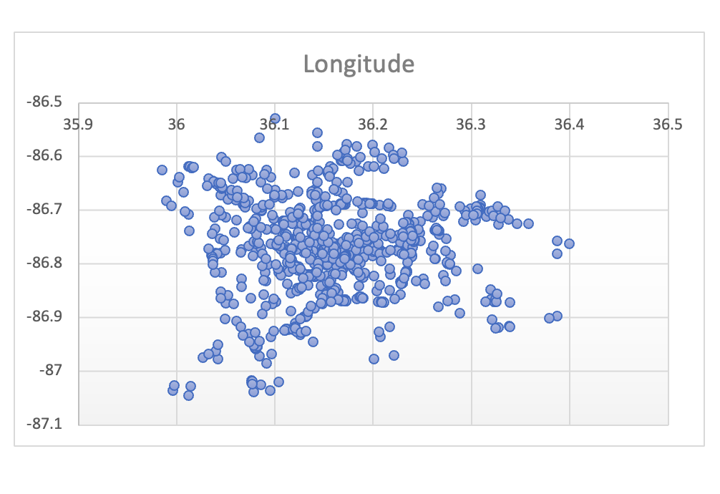
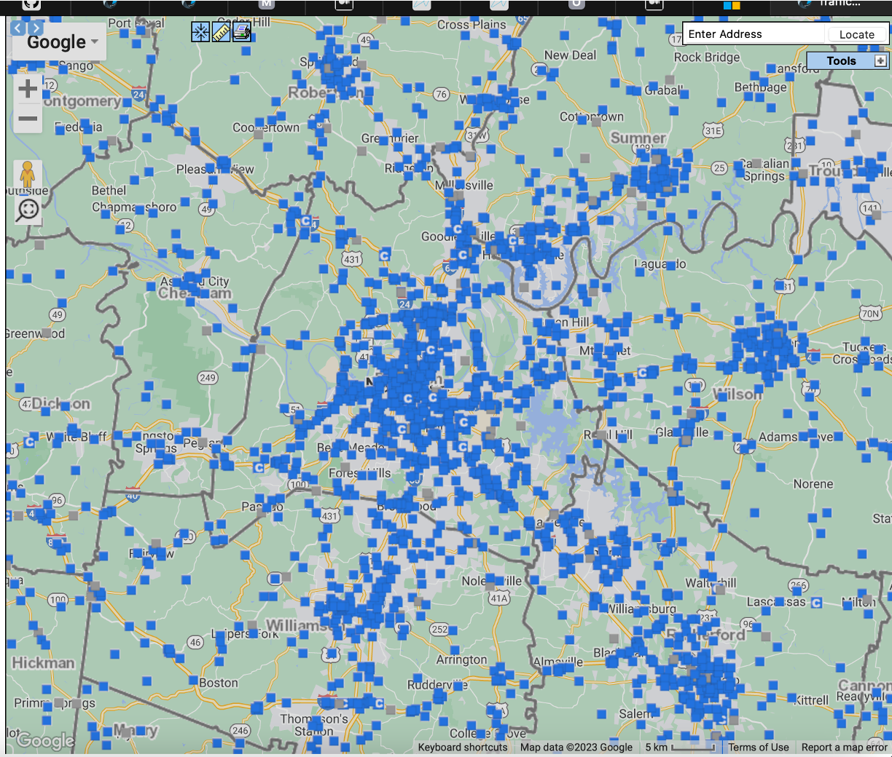
Full List | Davidson

